Visuals
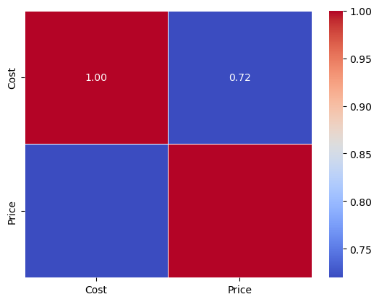
Product | Cost | Price
A | 82.131865107 | 99.451940435
B | 15.576194089 | 54.939724733
B | 36.58885661 | 52.548606628
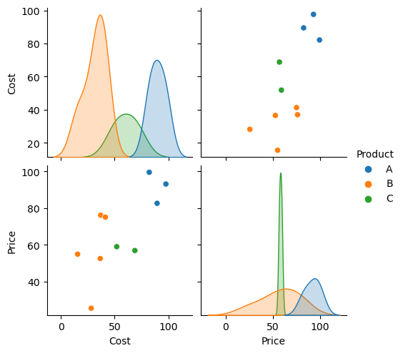
B | 37.02377547 | 76.113942404
B | 41.328640287 | 75.074232126
C | 68.793723714 | 56.918227482
C | 51.900216424 | 59.006132044
A | 97.587109424 | 93.072019454
B | 28.233882662 | 25.542908174
A | 89.434436825 | 82.592706756

Classification
